EDA
Data Info
 | Recording | 记录006
 | Subject | 張紫婷
 | Create Time | 2024-07-09 09:45:22.251
 | Data Name | Finger8 EDA
 | Data Type | EDA
 | Sample Rate | 64
 | Segment | 前静息态
 | Start Time | 0:00:47
 | End Time | 0:05:47
 | Duration | 0:05:00

Replay Chart
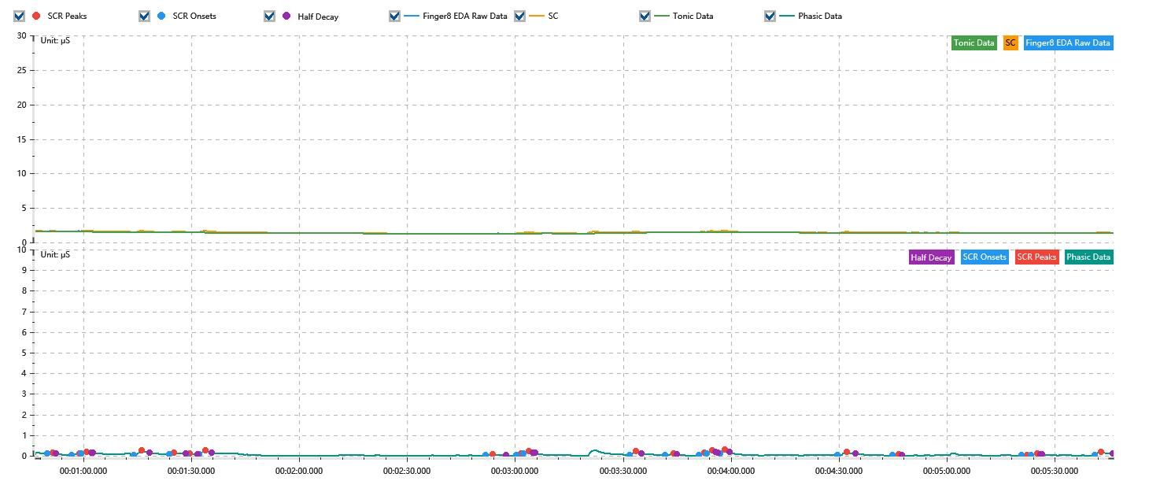

Process parameters
 | Filters
 | Smooth denoise | Enabled | 高斯 | 5(samples)
 | Lowpass filter | Enabled | 5μS
 | Skin Conductance Response
 | SCR extraction | Minimum SCR amplitude | 0.03μS
 | SCR extraction | Max rise time | 4s
 | SCR extraction | Max half decay time | 4s
 | SCR extraction | Peak dection sensitivity | 中
 | Event related activation | Window relative to event | 1s | 4s

Time Domain
 | Data | Mean | Max | Min | Std | Variance | Polar Distance | Data Length
 | SC | 1.44μS | 1.73μS | 1.26μS | 0.11μS | 0.01μS² | 0.47μS | 1200
 | Tonic | 1.38μS | 1.56μS | 1.25μS | 0.08μS | 0.01μS² | 0.3μS | 1200
 | Phasic | 0.05μS | 0.27μS | 0μS | 0.05μS | 0μS² | 0.27μS | 1200

SCR
 | OnsetTime | PeakTime | RiseTime | HalfDecayTime | Amp
 | 0.0005790162037 | 0.00059637731481 | 1.5s | 1s | 0.05μS
 | 0.0006571412037 | 0.00068318287037 | 2.25s | 3.75s | 0.07μS
 | 0.00068896990741 | 0.00070633101852 | 1.5s | 1.25s | 0.09μS
 | 0.00085679398148 | 0.00088283564815 | 2.25s | 2.25s | 0.23μS
 | 0.00097253472222 | 0.00098700231481 | 1.25s | 3.25s | 0.07μS
 | 0.0010275115741 | 0.0010361921296 | 0.75s | 2.25s | 0.07μS
 | 0.0010680208333 | 0.001088275463 | 1.75s | 1.75s | 0.19μS
 | 0.0019881597222 | 0.0020113078704 | 2s | 3.75s | 0.04μS
 | 0.0020865393519 | 0.002103900463 | 1.5s | 3.75s | 0.1μS
 | 0.0021096875 | 0.0021270486111 | 1.5s | 1.25s | 0.1μS
 | 0.0024511226852 | 0.0024713773148 | 1.75s | 1.5s | 0.17μS
 | 0.0025668634259 | 0.0025929050926 | 2.25s | 1s | 0.08μS
 | 0.0026739236111 | 0.0026912847222 | 1.5s | 3.75s | 0.13μS
 | 0.0026999652778 | 0.0027173263889 | 1.5s | 1s | 0.15μS
 | 0.0027433680556 | 0.0027578356481 | 1.25s | 1.25s | 0.16μS
 | 0.003119525463 | 0.0031513541667 | 2.75s | 2.25s | 0.15μS
 | 0.0032960300926 | 0.0033162847222 | 1.75s | 1s | 0.04μS
 | 0.0037126967593 | 0.0037300578704 | 1.5s | 3.75s | 0.03μS
 | 0.0037416319444 | 0.0037618865741 | 1.75s | 1.5s | 0.05μS
 | 0.0039470717593 | 0.0039673263889 | 1.75s | 3.25s | 0.17μS

Event Related
 | Event Group | Event Name | Event Description | EventTime | SCRCount | Latency | AmpSum | SCL | Half Decay Time Avg. | Rise Decay Time Avg.
 | Custom | 前静息态采集开始 |  | 0.00053850126968 | 1 | 3.5s | 0.05μS | 1.55μS | 1s | 1.5s

